FULL LIST From Product Team
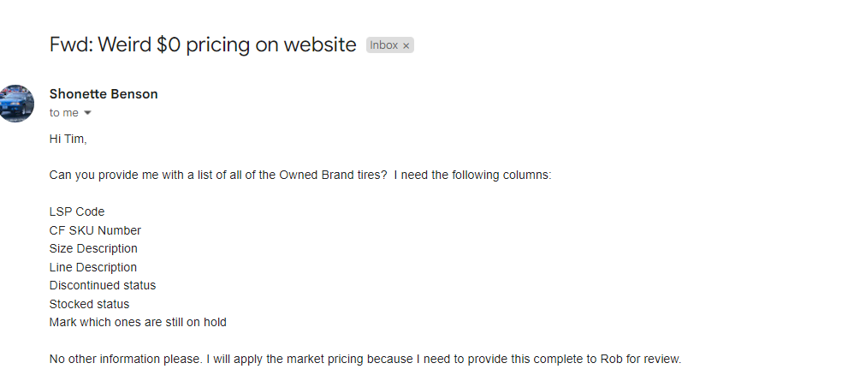
Data extract produced by Drew.Howlett@lesschwab.com on 10/17/2022 17:58
Filters applied on data :
Tire Is Owned Brand = true
Sales Invoice Date >= 10/01/2021 < 10/01/2022

Tire Lsp Code | vpn | Tire Sku Number | DISCONTINUED? | STOCKED IN DC | Tire Tread Name | Tire Size | Total Sales Units | RELEASE DATE | STATUS
 |  |  |  |  | Grand Total |  | 1989295
 |  |  |  |  | Back Country A/T Total |  | 83952
 |  |  |  |  | Back Country A/T2 Total |  | 227833
 |  |  |  |  | Back Country H/T Total |  | 208382
 |  |  |  |  | Back Country M/T Total |  | 17596
 |  |  |  |  | CONFIDENCE C3 Total |  | 37403
12601044 | C86D5BTA | 710156 | D | Y | CONFIDENCE C3 | 155/80R-12 | 477
11100840 | 331967 | 715380 | 0 | Y | CONFIDENCE C3 | 155/80R-13 | 1068
2119650 | 90000004110 | 125640 | D | Y | CONFIDENCE C3 | 165/80R-15 | 127
11112782 | 331383 | 715457 | 0 | Y | CONFIDENCE C3 | 175/65R-14 | 913
11101762 | 331982 | 715404 | 0 | Y | CONFIDENCE C3 | 175/70R-13 | 1621
11111572 | 331364 | 715440 | 0 | Y | CONFIDENCE C3 | 175/70R-14 | 783
2178836 | 2118836 | 125766 | D | Y | CONFIDENCE C3 | 185/55R-16 | 140
2179468 | 2119468 | 125782 | D | Y | CONFIDENCE C3 | 185/60R-14 | 368
2178846 | 2118846 | 125768 | D | Y | CONFIDENCE C3 | 185/60R-15 | 742
11100818 | 331957 | 715376 | 0 | Y | CONFIDENCE C3 | 185/65R-14 | 1037
12601002 | C85D2AFA | 710154 | D | Y | CONFIDENCE C3 | 185/65R-15 | 854
11111886 | 331377 | 715447 | 0 | Y | CONFIDENCE C3 | 185/70R-13 | 1208
11101796 | 332015 | 715409 | 0 | Y | CONFIDENCE C3 | 185/70R-14 | 4543
12602238 | C89H5ATA | 710179 | D | Y | CONFIDENCE C3 | 195/55R-15 | 326
12116264 | 90000027945 | 596759 | 0 | Y | CONFIDENCE C3 | 195/55R-16 | 306
12164269 | 90000041421 | 968074 | 0 | Y | CONFIDENCE C3 | 195/60R-14 | 397
2178844 | 2118844 | 125767 | D | Y | CONFIDENCE C3 | 195/60R-15 | 302
11101787 | 332004 | 715407 | 0 | Y | CONFIDENCE C3 | 195/65R-14 | 136
12164268 | 90000040180 | 968073 | 0 | Y | CONFIDENCE C3 | 195/65R-15 | 126
12101176 | 90000025971 | 529614 | 0 | Y | CONFIDENCE C3 | 195/70R-14 | 1497
11101218 | 331955 | 715391 | 0 | Y | CONFIDENCE C3 | 205/50R-16 | 756
2116542 | 90000004123 | 125560 | D | Y | CONFIDENCE C3 | 205/50R-17 | 363
12101138 | 90000025956 | 529610 | 0 | Y | CONFIDENCE C3 | 205/55R-16 | 570
12112052 | 90000025309 | 523495 | D | Y | CONFIDENCE C3 | 205/60R-15 | 494
2115862 | 90000004130 | 300906 | D | Y | CONFIDENCE C3 | 205/60R-16 | 2703
12164060 | 90000040181 | 968068 | 0 | Y | CONFIDENCE C3 | 205/60R-16 | 128
12601669 | C8BG6ATA | 710171 | D | Y | CONFIDENCE C3 | 205/65R-15 | 185
12603160 | C89I6ATA | 710195 | D | Y | CONFIDENCE C3 | 205/65R-15 | 795
12604695 | C8BK8ATA | 710208 | D | Y | CONFIDENCE C3 | 205/65R-16 | 590
12604366 | C8BJ6ATA | 710204 | D | Y | CONFIDENCE C3 | 215/45R-17 | 222
12112048 | 90000025306 | 523494 | D | Y | CONFIDENCE C3 | 215/50R-17 | 610
12114262 | 90000025280 | 523536 | 0 | Y | CONFIDENCE C3 | 215/55R-16 | 921
12117168 | 90000027973 | 596786 | D | Y | CONFIDENCE C3 | 215/55R-17 | 879
12170194 | 12110194 | 696708 | 0 | Y | CONFIDENCE C3 | 215/60R-15 | 457
2175650 | 2115650 | 451609 | D | Y | CONFIDENCE C3 | 215/60R-16 | 2112
11102782 | 331994 | 715421 | 0 | Y | CONFIDENCE C3 | 215/60R-17 | 464
11111528 | 331334 | 715432 | 0 | Y | CONFIDENCE C3 | 215/65R-15 | 567
18411986 | CLT72 | 984855 | 0 | Y | CONFIDENCE C3 | 215/65R-16 | 723
2109738 | 90000004147 | 125388 | D | Y | CONFIDENCE C3 | 215/65R-17 | 605
11102494 | 332011 | 715420 | 0 | Y | CONFIDENCE C3 | 225/40R-18 | 199
12101880 | 90000025960 | 529623 | 0 | Y | CONFIDENCE C3 | 225/45R-17 | 263
18411746 | CLT38 | 984850 | 0 | Y | CONFIDENCE C3 | 225/45R-18 | 263
12101140 | 90000025957 | 529611 | 0 | Y | CONFIDENCE C3 | 225/50R-16 | 93
11114576 | 331367 | 715482 | 0 | Y | CONFIDENCE C3 | 225/50R-17 | 1543
2119454 | 90000004103 | 125624 | D | Y | CONFIDENCE C3 | 225/50R-18 | 191
12162754 | 90000040149 | 968057 | 0 | Y | CONFIDENCE C3 | 225/55R-16 | 292
12602287 | C8CH7ATA | 710187 | D | Y | CONFIDENCE C3 | 225/55R-17 | 404
2109672 | 90000004163 | 125386 | D | Y | CONFIDENCE C3 | 225/60R-16 | 104
12110346 | 90000030291 | 658695 | 0 | Y | CONFIDENCE C3 | 225/60R-16 | 525
12112462 | 90000025312 | 523511 | D | Y | CONFIDENCE C3 | 225/60R-17 | 226
11100834 | 331964 | 715377 | 0 | Y | CONFIDENCE C3 | 225/60R-18 | 239
12164692 | 90000040200 | 968084 | 0 | Y | CONFIDENCE C3 | 225/65R-16 | 379
12111074 | 90000030300 | 658706 | 0 | Y | CONFIDENCE C3 | 225/65R-17 | 108
12117554 | 90000027925 | 596794 | D | Y | CONFIDENCE C3 | 235/60R-16 | 766
11113956 | 331336 | 715467 | 0 | Y | CONFIDENCE C3 | 235/60R-17 | 263
12114062 | 90000025274 | 523530 | 0 | Y | CONFIDENCE C3 | 235/65R-16 | 430
 |  |  |  |  | Confidence LT-S Total |  | 1886
 |  |  |  |  | Open Range A/T SQM-3 Total |  | 521873
 |  |  |  |  | REPUTATION NLW3 Total |  | 505451
 |  |  |  |  | Road Control NW-3 Touring Total |  | 377796
 |  |  |  |  | WINTERCAT SST Total |  | 6859
 |  |  |  |  | WINTERCAT XT Total |  | 264
 |  |  |  |  | ROAD CONTROL 2 Total |  | 0
 |  |  |  |  | CONFIDENCE LT-S Total |  | 0

